Sheet1
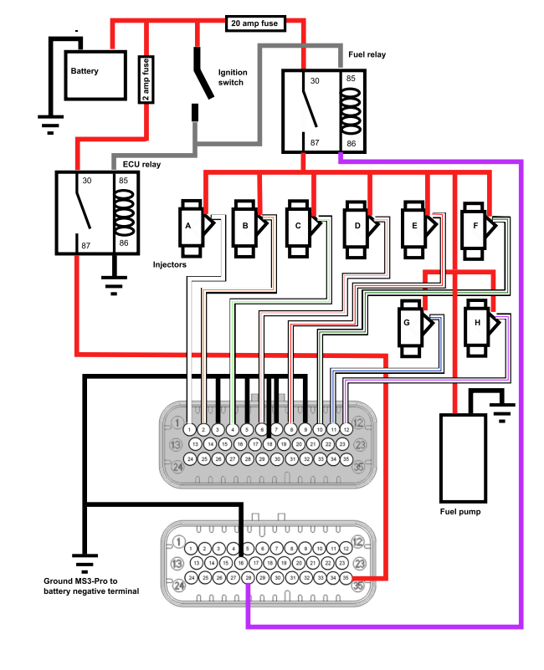
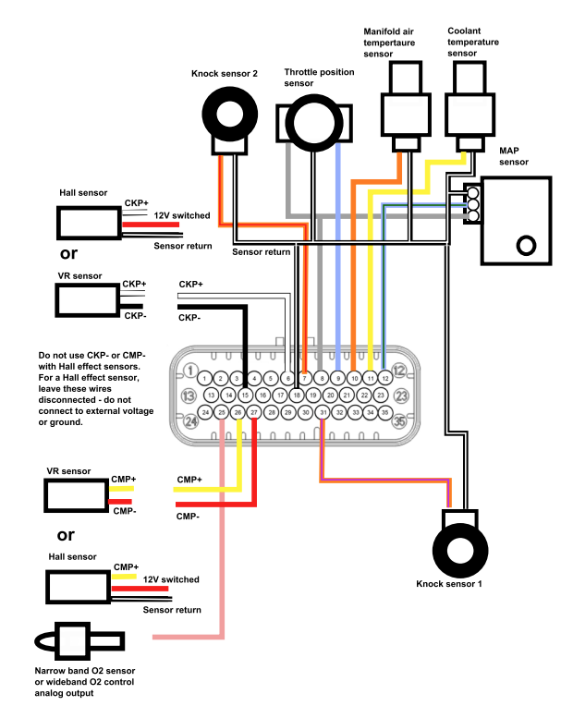
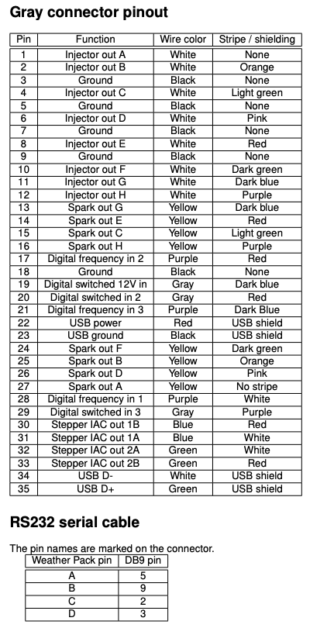
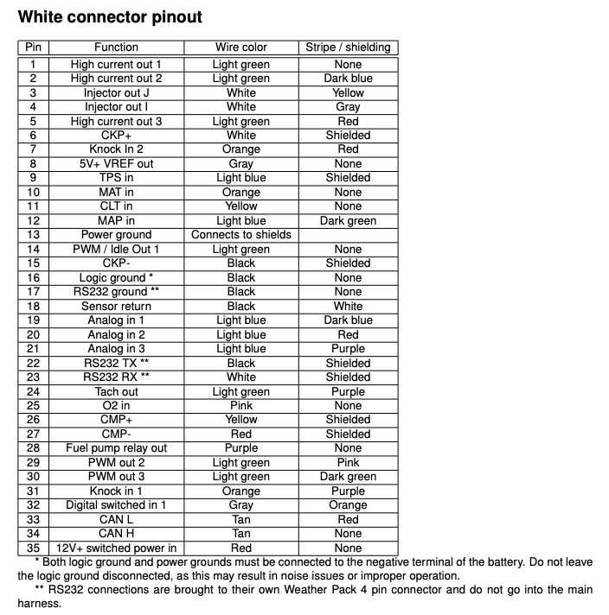

ECU Harness | PIN | Desc | InsideBulk | Bulk Wire Color | To | ECU-PIN | ENG | COIL | Cyl | Column1
ECU Grey | 1 | INJ A | A01 | white/yellow | Injector #A | G-27-y | y/p | A | 1
ECU Grey | 2 | INJ B | A02 | white/purple | Injector #B | G-26-y/p | y/bk | D | 2
ECU Grey | 4 | INJ C | A03 | white/green | Injector #C | G-25-y/0 | y/r | B | 3
ECU Grey | 6 | INJ D | A04 | white/red | Injector #D | G-15-y/g | y/g | C | 4
ECU Grey | 27 | Ign A | A05 | yellow/purple | Ignition #A
ECU Grey | 25 | Ign B | A06 | yellow/green | Ignition #B | ECU | ENG | INJ | Cyl | Column2
ECU Grey | 15 | Ign C | A07 | yellow/red | Ignition #C | G-1 |  | A | 1
ECU Grey | 26 | Ign D | A08 | yellow/aqua | Ignition #D | G-6 |  | D | 2
ECU White | 31 | KNOCK-IN | A09 | purple/white | Knock Sensor | G-2 |  | B | 3
ECU White | 12 | MAP | A10 | brown | Manifold Absolute Pressure | G-3 |  | C | 4
ECU White | 9 | TPS | A11 | red/blue | Throttle Position Sensor
ECU White | 32 | Digital Switched 1 (0-5v) | A14 | brown/red | FlexFuel
black | 2 | V12+ | A15 | purple/yel | Switched 12V
black | 1 | GRND | A16 | blue/white | Ground
ECU White | 19 | Analog 1 | B01 | orange/red | Oil Press
ECU White | 21 | Analog 2 | B02 | green/aqua | Fuel Press
ECU White | 20 | Analog 3 | B03 | grey/red | Oil Temp
ECU White | 6 | CKP+ In white | B05 | white | Crank Position Sensor
ECU White | 11 | CLT | B06 | purple/red | Coolant Temperature Sensor
ECU White | 27 | CMP- red | B07 | red | Cam Posiiton sensor
ECU White | 26 | CMP+ yellow | B08 |  | Cam Posiiton sensor
ECU White | 1 | High Curreny Out 1/PWM | B09 | white/grey | Boost Control
ECU White | 10 | IAT | B10 | grey/blue | Intake Air Temperature Sensor
ECU White | 18 | Sensor Ground | b11 | black/yellow | All Except VR Sensor
ECU White | 14 | PWM-01/Idle | B12 | green/red | Intake Air Control Valve
ECU White | 29 | PWM-02 | B13 | green/white | Variable Valve Timing Solenoid
ECU White | 8 | REF+5V | B14 | grey/purple | REFv5+ Sensolrs
ECU Grey | 3 | GRND |  |  | Ground
ECU Grey | 5 | GRND |  |  | Ground
ECU Grey | 7 | GRND |  |  | Ground
ECU Grey | 9 | GRND |  |  | Ground
ECU Grey | 18 | Power Ground |  |  | Fuse Blck Ground
ECU Grey | 19 | Digital Input 4 (0-12v) |  |  | LaunchControl/FlatShift
ECU Grey | 22 | USB Power |  |  | USB
ECU Grey | 23 | USB Ground |  |  | USB
ECU Grey | 34 | USB D- |  |  | USB
ECU Grey | 35 | USB D+ |  |  | USB
ECU White | 13 | Power Ground |  |  | Connects to Shields
ECU White | 16 | Logic Ground |  |  | ECU Ground
ECU Grey | 8 | INJ
ECU Grey | 10 | INJ
ECU Grey | 11 | INJ
ECU Grey | 12 | INJ
ECU Grey | 13 | Spark
ECU Grey | 14 | Spark
ECU Grey | 16 | Spark
ECU Grey | 17 | Digital Freq In 2
ECU Grey | 20 | Digital Input 2 (0-5v)
ECU Grey | 21 | Digital Frequency In 3
ECU White | 24 | Tach Out (RPM) |  |  | TACH OUT
ECU White | 25 | WB |  |  | Wideband
ECU Grey | 24 | Spark
ECU Grey | 28 | Digital Frequency In 1
ECU Grey | 29 | Digital Inpout 3 (0-5v)
ECU Grey | 30 | Stepper Out 1B
ECU Grey | 31 | Stepper Out 1A
ECU Grey | 32 | Stepper Out 2A
ECU Grey | 33 | Stepper Out 2B
ECU White | 2 | High Current Out 2/PWM
ECU White | 3 | Inj J
ECU White | 4 | Injector I
ECU White | 5 | High Current Out 3/PWM
ECU White | 7 | Knock Sensor In 2
ECU White | 28 | FP+ |  |  | Fuel Pump
ECU White | 17 | Serial Ground
ECU White | 22 | Serial Tx
ECU White | 23 | Serial Rx
ECU White | 30 | PWM-03 |  |  | Cooling Fan
ECU White | 15
ECU White | 33 | CAN L |  |  | CANBUS-LOW
ECU White | 34 | CAN H |  |  | CANBUS-HIGH
ECU White | 35 | Switch 12V+ |  |  | ECU Power + Switched

